Basic Inventory Management
Waseem A.S. Excel Portfolio

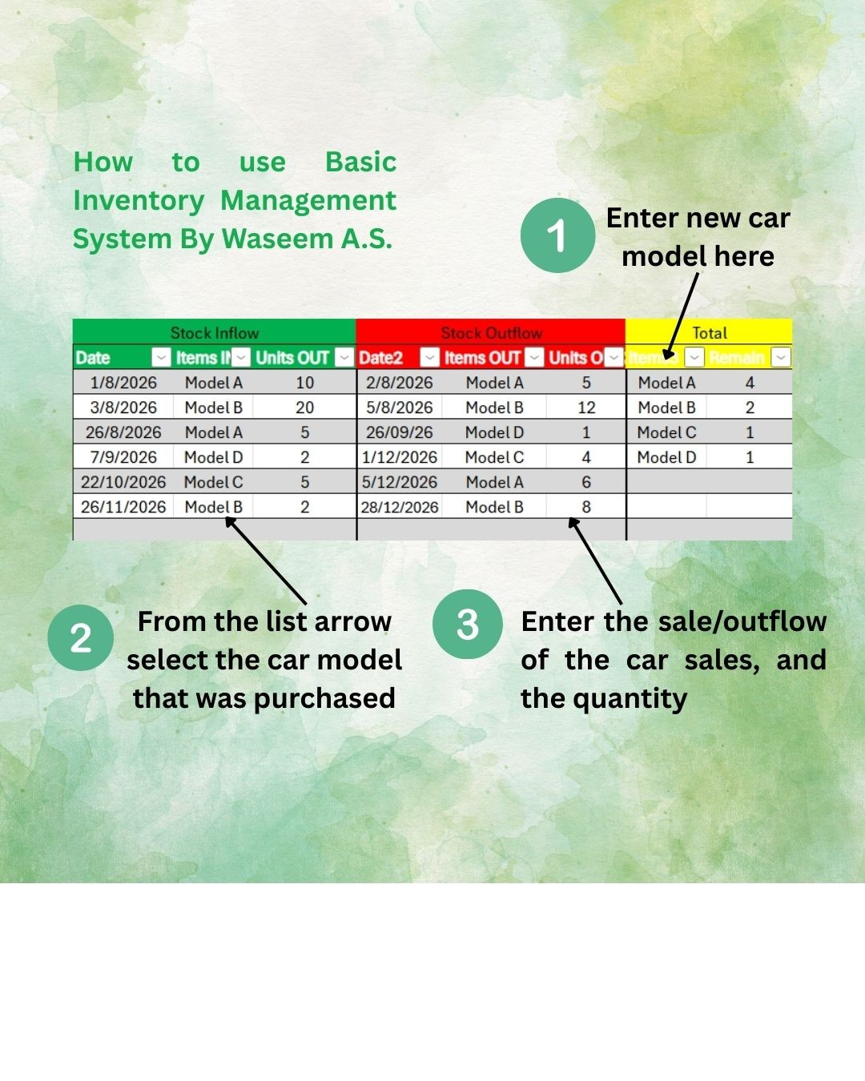
BASIC INVENTORY MANGEMENT
Stock Inflow |  |  | Stock Outflow |  |  | Total
Date | Items IN | Units OUT | Date2 | Items OUT | Units OUT2 | Items3 | Remain | Column1
2026-01-08 | Model A | 10 | 2026-02-08 | Model A | 5 | Model A | 4
2026-03-08 | Model B | 20 | 2026-05-08 | Model B | 12 | Model B | 2
26/8/2026 | Model A | 5 | 26/09/26 | Model D | 1 | Model C | 1
INVENTORY SYSTEM
USING FORMULAS
2026-07-09 | Model D | 2 | 2026-01-12 | Model C | 4 | Model D | 1
22/10/2026 | Model C | 5 | 2026-05-12 | Model A | 6
26/11/2026 | Model B | 2 | 28/12/2026 | Model B | 8

PAYROLL SYSTEM
BASIC

WIP
Waseem A.S. Excel Portfolio

BASIC INVENTORY MANGEMENT

Inventory System using formulas (ISF)
INVENTORY SYSTEM
USING FORMULAS

Dashboard
PAYROLL SYSTEM
BASIC
Customers
Products

Vendors
New Entry Purchase

Sales
Inventory

Payroll System
Waseem A.S. Excel Portfolio
 | Imperial Ship Builder (ISB) LLC

BASIC INVENTORY MANGEMENT

INVENTORY SYSTEM
USING FORMULAS
 |  |  |  | Worked Hours | Worked Hours | Worked Hours | Worked Hours | Worked Hours | Overtime Hours | Overtime Hours | Overtime Hours | Overtime Hours | Overtime Hours | Payout | Payout | Payout | Payout | Payout | Overtime Payout | Overtime Payout | Overtime Payout | Overtime Payout | Overtime Payout
Method 1 | First Name | Last Name | Hourly Wages | 2027-01-05 | 2027-08-05 | 15/5/27 | 22/5/27 | 28/5/27 | 2027-01-05 | 2027-08-05 | 15/5/27 | 22/5/27 | 28/5/27 | 2027-01-05 | 2027-08-05 | 15/5/27 | 22/5/27 | 28/5/27 | 2027-01-05 | 2027-08-05 | 15/5/27 | 22/5/27 | 28/5/27
 | Waseem | A.S. | $26 | 47 | 50 | 49 | 52 | 50 | 7 | 10 | 9 | 12 | 10 | $1,222 | $1,300 | $1,274 | $1,352 | $1,300 | $91.0 | $130.0 | $117.0 | $156.0 | $130.0
 | Saad | Hasan | $20 | 40 | 40 | 40 | 40 | 41 | No overtime | No overtime | No overtime | No overtime | 1 | $800 | $800 | $800 | $800 | $820 | No overtime | No overtime | No overtime | No overtime | $10.0
 | Eshaan | Mishra | $20 | 40 | 40 | 40 | 40 | 42 | No overtime | No overtime | No overtime | No overtime | 2 | $800 | $800 | $800 | $800 | $840 | No overtime | No overtime | No overtime | No overtime | $20.0
 | Vaibhav | Sisty | $25 | 40 | 40 | 40 | 40 | 41 | No overtime | No overtime | No overtime | No overtime | 1 | $1,000 | $1,000 | $1,000 | $1,000 | $1,025 | No overtime | No overtime | No overtime | No overtime | $12.5
PAYROLL SYSTEM
BASIC
 | Albet | Williams | $22 | 40 | 40 | 40 | 40 | 42 | No overtime | No overtime | No overtime | No overtime | 2 | $880 | $880 | $880 | $880 | $924 | No overtime | No overtime | No overtime | No overtime | $22.0
 | Steve | Robert | $35 | 48 | 48 | 49 | 49 | 50 | 8 | 8 | 9 | 9 | 10 | $1,680 | $1,680 | $1,715 | $1,715 | $1,750 | $140.0 | $140.0 | $157.5 | $157.5 | $175.0
 | Johnny | Harris | $35 | 48 | 48 | 49 | 52 | 50 | 8 | 8 | 9 | 12 | 10 | $1,680 | $1,680 | $1,715 | $1,820 | $1,750 | $140.0 | $140.0 | $157.5 | $210.0 | $175.0
 | Mohammad |  | $35 | 43 | 41 | 40 | 40 | 43 | 3 | 1 | No overtime | No overtime | 3 | $1,505 | $1,435 | $1,400 | $1,400 | $1,505 | $52.5 | $17.5 | No overtime | No overtime | $52.5
 | Mofad | Ibrahim | $29 | 40 | 40 | 40 | 40 | 42 | No overtime | No overtime | No overtime | No overtime | 2 | $1,160 | $1,160 | $1,160 | $1,160 | $1,218 | No overtime | No overtime | No overtime | No overtime | $29.0
 | Michael | Johndeer | $30 | 45 | 45 | 45 | 45 | 46 | 5 | 5 | 5 | 5 | 6 | $1,350 | $1,350 | $1,350 | $1,350 | $1,380 | $75.0 | $75.0 | $75.0 | $75.0 | $90.0

Method 2 | Base hours | 40 |  | Worked Hours | Worked Hours | Worked Hours | Worked Hours | Worked Hours | Overtime Hours | Overtime Hours | Overtime Hours | Overtime Hours | Overtime Hours | Payout | Payout | Payout | Payout | Payout | Overtime Payout | Overtime Payout | Overtime Payout | Overtime Payout | Overtime Payout | Total Payout | Total Payout | Total Payout | Total Payout | Total Payout
 | First Name | Last Name | Hourly Wages | 2027-01-05 | 2027-08-05 | 15/5/27 | 22/5/27 | 28/5/27 | 2027-01-05 | 2027-08-05 | 15/5/27 | 22/5/27 | 28/5/27 | 2027-01-05 | 2027-08-05 | 15/5/27 | 22/5/27 | 28/5/27 | 2027-01-05 | 2027-08-05 | 15/5/27 | 22/5/27 | 28/5/27 | 2027-01-05 | 2027-08-05 | 15/5/27 | 22/5/27 | 28/5/27
 | Waseem | A.S. | $26 | 47 | 50 | 49 | 52 | 50 | 7 | 10 | 9 | 12 | 10 | $1,040 | $1,040 | $1,040 | $1,040 | $1,040 | $91.0 | $130.0 | $117.0 | $156.0 | $130.0 | $1,131.0 | $1,170.0 | $1,157.0 | $1,196.0 | $1,170.0
 | Saad | Hasan | $20 | 40 | 40 | 40 | 40 | 41 | No overtime | No overtime | No overtime | No overtime | 1 | $800 | $800 | $800 | $800 | $800 | No overtime | No overtime | No overtime | No overtime | $10.0 | $800.0 | $800.0 | $800.0 | $800.0 | $810.0
 | Eshaan | Mishra | $20 | 40 | 40 | 40 | 40 | 42 | No overtime | No overtime | No overtime | No overtime | 2 | $800 | $800 | $800 | $800 | $800 | No overtime | No overtime | No overtime | No overtime | $20.0 | $800.0 | $800.0 | $800.0 | $800.0 | $820.0
 | Vaibhav | Sisty | $25 | 40 | 40 | 40 | 40 | 41 | No overtime | No overtime | No overtime | No overtime | 1 | $1,000 | $1,000 | $1,000 | $1,000 | $1,000 | No overtime | No overtime | No overtime | No overtime | $12.5 | $1,000.0 | $1,000.0 | $1,000.0 | $1,000.0 | $1,012.5
 | Albet | Williams | $22 | 40 | 40 | 40 | 40 | 42 | No overtime | No overtime | No overtime | No overtime | 2 | $880 | $880 | $880 | $880 | $880 | No overtime | No overtime | No overtime | No overtime | $22.0 | $880.0 | $880.0 | $880.0 | $880.0 | $902.0
 | Steve | Robert | $35 | 48 | 48 | 49 | 49 | 50 | 8 | 8 | 9 | 9 | 10 | $1,400 | $1,400 | $1,400 | $1,400 | $1,400 | $140.0 | $140.0 | $157.5 | $157.5 | $175.0 | $1,540.0 | $1,540.0 | $1,557.5 | $1,557.5 | $1,575.0
 | Johnny | Harris | $35 | 48 | 48 | 49 | 52 | 50 | 8 | 8 | 9 | 12 | 10 | $1,400 | $1,400 | $1,400 | $1,400 | $1,400 | $140.0 | $140.0 | $157.5 | $210.0 | $175.0 | $1,540.0 | $1,540.0 | $1,557.5 | $1,610.0 | $1,575.0
 | Mohammad |  | $35 | 43 | 41 | 40 | 40 | 43 | 3 | 1 | No overtime | No overtime | 3 | $1,400 | $1,400 | $1,400 | $1,400 | $1,400 | $52.5 | $17.5 | No overtime | No overtime | $52.5 | $1,452.5 | $1,417.5 | $1,400.0 | $1,400.0 | $1,452.5
 | Mofad | Ibrahim | $29 | 40 | 40 | 40 | 40 | 42 | No overtime | No overtime | No overtime | No overtime | 2 | $1,160 | $1,160 | $1,160 | $1,160 | $1,160 | No overtime | No overtime | No overtime | No overtime | $29.0 | $1,160.0 | $1,160.0 | $1,160.0 | $1,160.0 | $1,189.0
 | Michael | Johndeer | $30 | 45 | 45 | 45 | 45 | 46 | 5 | 5 | 5 | 5 | 6 | $1,200 | $1,200 | $1,200 | $1,200 | $1,200 | $75.0 | $75.0 | $75.0 | $75.0 | $90.0 | $1,275.0 | $1,275.0 | $1,275.0 | $1,275.0 | $1,290.0

 | DO NOT EDIT |  | EDIT PAY | EDIT THE HOURS HERE |  |  |  |  | CALCULATION DO NOT EDIT |  |  |  |  | CALCULATION DO NOT EDIT |  |  |  |  | CALCULATION DO NOT EDIT |  |  |  |  | OUTPUT

WIP ERROR | Base hours | 40 |  | Worked Hours | Worked Hours | Worked Hours | Worked Hours | Worked Hours | Overtime Hours | Overtime Hours | Overtime Hours | Overtime Hours | Overtime Hours | Payout | Payout | Payout | Payout | Payout | Overtime Payout | Overtime Payout | Overtime Payout | Overtime Payout | Overtime Payout | Total Payout | Total Payout | Total Payout | Total Payout | Total Payout
 | First Name | Last Name | Hourly Wages | 2027-01-05 | 2027-08-05 | 15/5/27 | 22/5/27 | 28/5/27 | 2027-01-05 | 2027-08-05 | 15/5/27 | 22/5/27 | 28/5/27 | 2027-01-05 | 2027-08-05 | 15/5/27 | 22/5/27 | 28/5/27 | 2027-01-05 | 2027-08-05 | 15/5/27 | 22/5/27 | 28/5/27 | 2027-01-05 | 2027-08-05 | 15/5/27 | 22/5/27 | 28/5/27
 | Waseem | A.S. | $26 | 47 | 50 | 49 | 52 | 50 | 7 | 10 | 9 | 12 | 10 | $1,040 | $1,040 | $1,040 | $1,040 | $1,040 | $91.0 | $130.0 | $117.0 | $156.0 | $130.0 | $1,131.0 | $1,170.0 | $1,157.0 | $1,196.0 | $1,170.0
 | Saad | Hasan | $20 | 40 | 40 | 40 | 40 | 41 | No overtime | No overtime | No overtime | No overtime | 1 | $800 | $800 | $800 | $800 | $800 | No overtime | No overtime | No overtime | No overtime | $10.0 | $800.0 | $800.0 | $800.0 | $800.0 | $810.0
 | Eshaan | Mishra | $20 | 40 | 40 | 40 | 40 | 42 | No overtime | No overtime | No overtime | No overtime | 2 | $800 | $800 | $800 | $800 | $800 | No overtime | No overtime | No overtime | No overtime | $20.0 | $800.0 | $800.0 | $800.0 | $800.0 | $820.0
 | Vaibhav | Sisty | $25 | 40 | 40 | 40 | 40 | 41 | No overtime | No overtime | No overtime | No overtime | 1 | $1,000 | $1,000 | $1,000 | $1,000 | $1,000 | No overtime | No overtime | No overtime | No overtime | $12.5 | $1,000.0 | $1,000.0 | $1,000.0 | $1,000.0 | $1,012.5
 | Albet | Williams | $22 | 40 | 40 | 40 | 40 | 42 | No overtime | No overtime | No overtime | No overtime | 2 | $880 | $880 | $880 | $880 | $880 | No overtime | No overtime | No overtime | No overtime | $22.0 | $880.0 | $880.0 | $880.0 | $880.0 | $902.0
 | Steve | Robert | $35 | 48 | 48 | 49 | 49 | 50 | 8 | 8 | 9 | 9 | 10 | $1,400 | $1,400 | $1,400 | $1,400 | $1,400 | $140.0 | $140.0 | $157.5 | $157.5 | $175.0 | $1,540.0 | $1,540.0 | $1,557.5 | $1,557.5 | $1,575.0
 | Johnny | Harris | $35 | 48 | 48 | 49 | 52 | 50 | 8 | 8 | 9 | 12 | 10 | $1,400 | $1,400 | $1,400 | $1,400 | $1,400 | $140.0 | $140.0 | $157.5 | $210.0 | $175.0 | $1,540.0 | $1,540.0 | $1,557.5 | $1,610.0 | $1,575.0
 | Mohammad |  | $35 | 43 | 41 | 40 | 40 | 43 | 3 | 1 | No overtime | No overtime | 3 | $1,400 | $1,400 | $1,400 | $1,400 | $1,400 | $52.5 | $17.5 | No overtime | No overtime | $52.5 | $1,452.5 | $1,417.5 | $1,400.0 | $1,400.0 | $1,452.5
 | Mofad | Ibrahim | $29 | 40 | 40 | 40 | 40 | 42 | No overtime | No overtime | No overtime | No overtime | 2 | $1,160 | $1,160 | $1,160 | $1,160 | $1,160 | No overtime | No overtime | No overtime | No overtime | $29.0 | $1,160.0 | $1,160.0 | $1,160.0 | $1,160.0 | $1,189.0
 | Michael | Johndeer | $30 | 45 | 45 | 45 | 45 | 46 | 5 | 5 | 5 | 5 | 6 | $1,200 | $1,200 | $1,200 | $1,200 | $1,200 | $75.0 | $75.0 | $75.0 | $75.0 | $90.0 | $1,275.0 | $1,275.0 | $1,275.0 | $1,275.0 | $1,290.0

Sheet1
Waseem A.S. Excel Portfolio

BASIC INVENTORY MANGEMENT

INVENTORY SYSTEM
USING FORMULAS
Name |  | Safety Test | Company test | Financial Test | Medical Test | Safety Test % | Company test % | Financial Test % | Medical Test % | Cirteria failed? | Excelled employee
First Name | Last Name | 125 | 500 | 725 | Pass/Fail
Waseem | A.S. | 113 | 489 | 717 | Pass | 90% | 97.8% | 98.9% | Pass | FALSE | TRUE
Saad | Hasan | 102 | 485 | 700 | Pass | 82% | 97.0% | 96.6% | Pass | FALSE | TRUE
Eshaan | Mishra | 123 | 499 | 725 | Pass | 98% | 99.8% | 100.0% | Pass | FALSE | TRUE
PAYROLL SYSTEM
BASIC
Vaibhav | Sisty | 99 | 420 | 699 | Pass | 79% | 84.0% | 96.4% | Pass | FALSE | TRUE
Albet | Williams | 111 | 399 | 700 | Pass | 89% | 79.8% | 96.6% | Pass | FALSE | TRUE
Steve | Robert | 124 | 166 | 710 | Pass | 99% | 33.2% | 97.9% | Pass | TRUE | TRUE
Johnny | Harris | 125 | 444 | 712 | Pass | 100% | 88.8% | 98.2% | Pass | FALSE | TRUE
Mohammad |  | 85 | 472 | 700 | Pass | 68% | 94.4% | 96.6% | Pass | FALSE | TRUE
COMPANY EXAM ANALYSIS
Mofad | Ibrahim | 62 | 385 | 650 | Pass | 50% | 77.0% | 89.7% | Pass | FALSE | TRUE
Michael | Johndeer | 70 | 260 | 459 | Fail | 56% | 52.0% | 63.3% | Fail | TRUE | FALSE

MAX |  | 125 | 499 | 725 |  | 100% | 100% | 100%
MIN |  | 62 | 166 | 459 |  | 50% | 33% | 63%
AVERAGE |  | 101.4 | 401.9 | 677.2 |  | 81% | 80% | 93%
Safety Test Scrores
Company Test Scores
Financial Test Scores

